Sheet1
Net Present Value - Example

 | 0.05 | interest rate

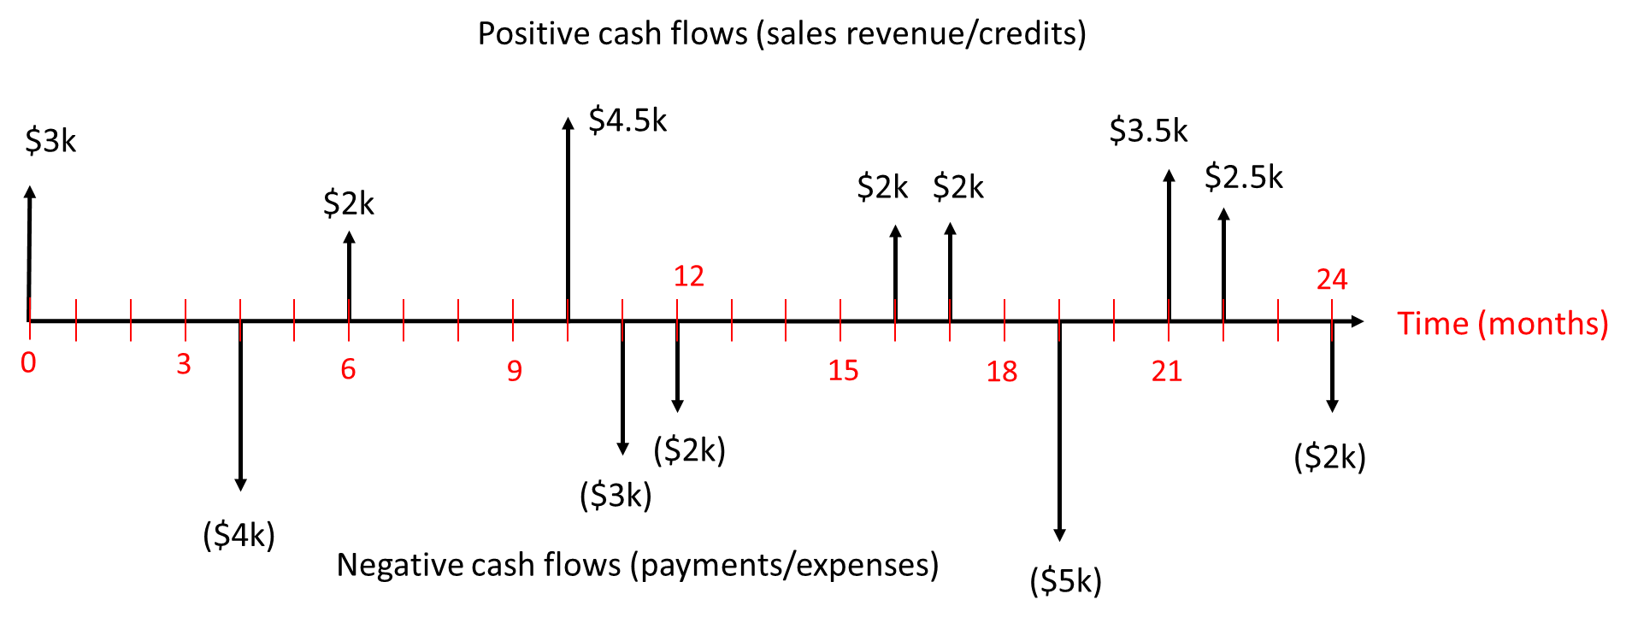
 | Month | Cash Flows | PV
 | 0 | $3,000.00 | $3,000.00
 | 1 | $- | $-
 | 2 | $- | $-
 | 3 | $- | $-
 | 4 | ($4,000.00) | $(3,934.02)
 | 5 | $- | $-
 | 6 | $2,000.00 | $1,950.72
 | 7 | $- | $-
 | 8 | $- | $-
 | 9 | $- | $-
 | 10 | $4,500.00 | $4,316.73
 | 11 | ($3,000.00) | $(2,865.88)
 | 12 | ($2,000.00) | $(1,902.66)
 | 13 | $- | $-
 | 14 | $- | $-
 | 15 | $- | $-
 | 16 | $2,000.00 | $1,871.27
 | 17 | $2,000.00 | $1,863.51
 | 18 | $- | $-
 | 19 | ($5,000.00) | $(4,620.19)
 | 20 | $- | $-
 | 21 | $3,500.00 | $3,207.35
 | 22 | $2,500.00 | $2,281.46
 | 23 | $- | $-
 | 24 | ($2,000.00) | $(1,810.05)

 |  | NPV: | $3,358.24
 |  | NPV Formula: | $3,358.24

